Intructions
Steps
1. Login | https://app.acereader.com/
 | username = katherine.fennedy@gmail.com
 | password = InfoIntake2022
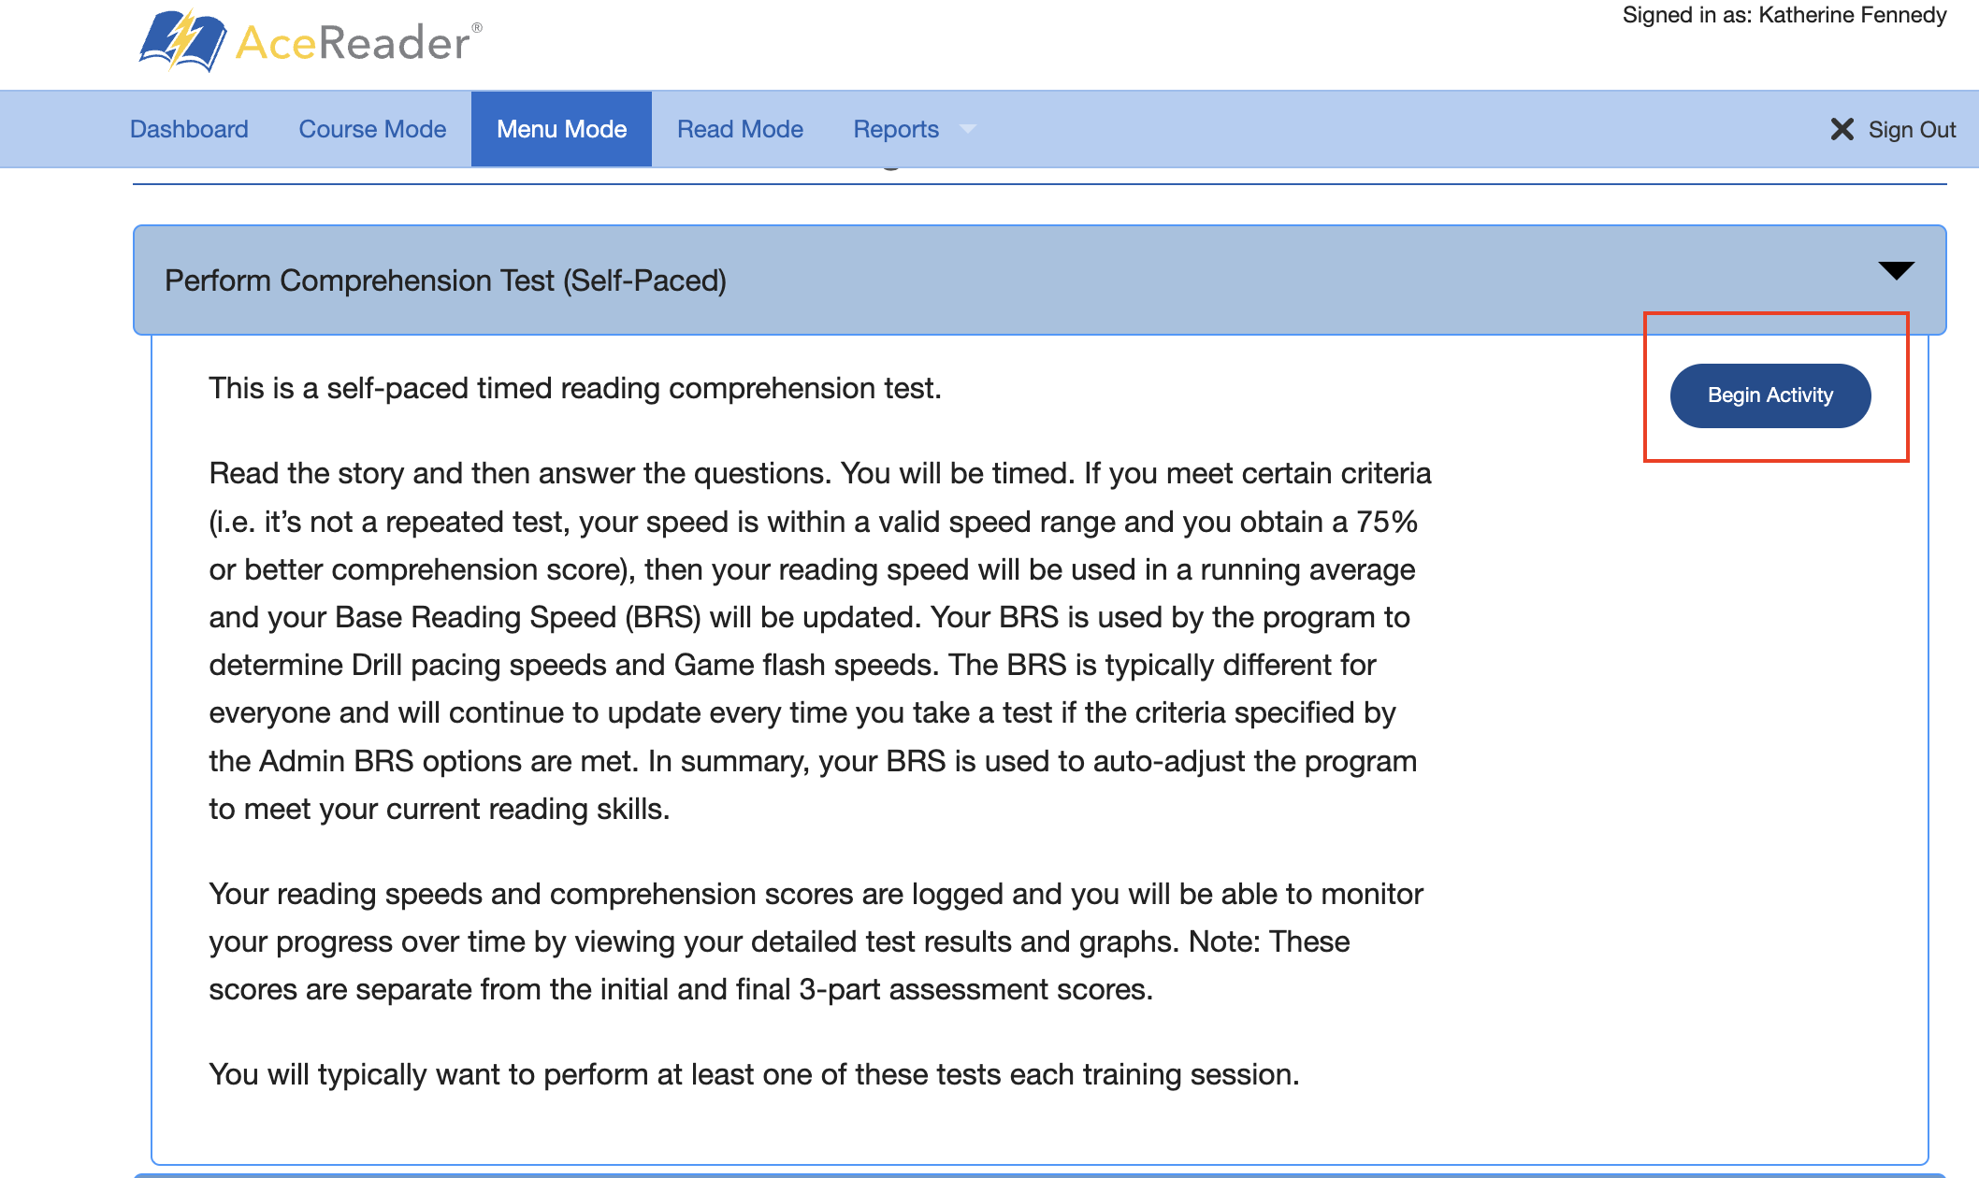
2. Select "Menu Mode" => Click "Perform Comprehension Test (Self-Paced)" => Click "Begin Activity"

3. Select "Fun Facts" => Choose level 7 Sotries
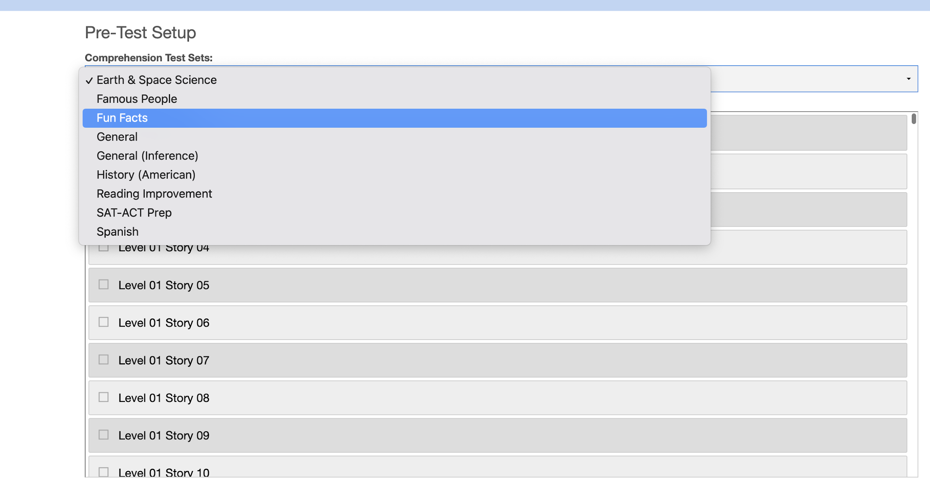

4. Choose your story id => Click "Begin Test"

